Annual Dashboard
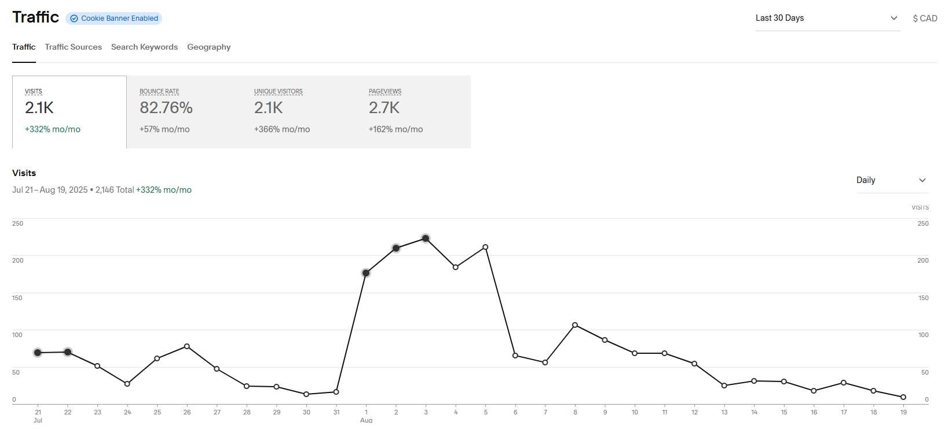
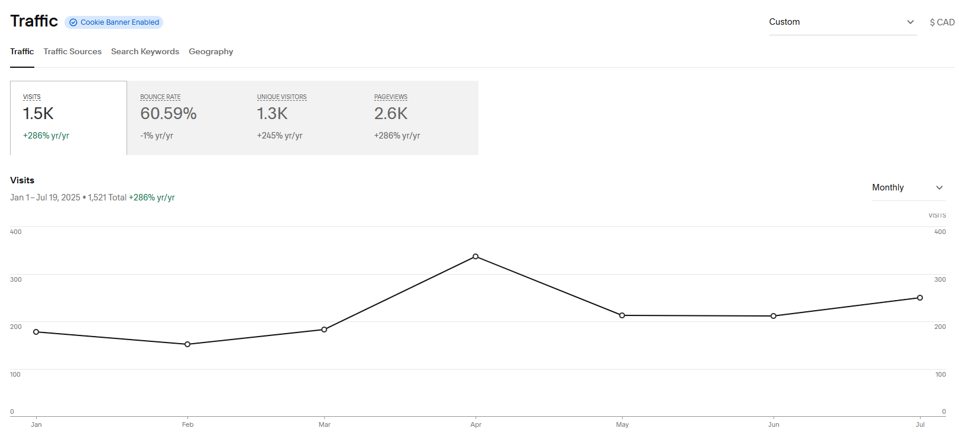
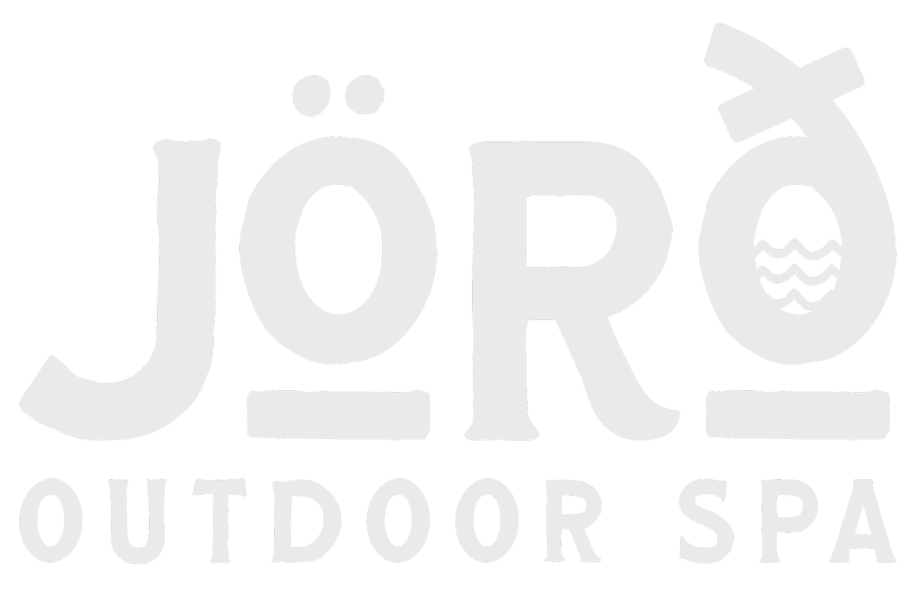
Measurable | June | July | August | September | October | November | December | Totals | Avg per month | Comments
Marketing & Awareness
Web Sessions | 211 | 750 | 2600 | 1100 | 655 | 1274 | 713
Web Conversion Rate | 3.79% | 20.27% | 10.23% | 13.55% | 14.05% | 8.48% | 15.43% |  |  | % of visitors clicking "Book Now"
Booking Click Conversion |  | 152 | 266 | 149 | 92 | 108 | 110
Conversion VS Bookings |  | 22% | 20% | 41% | 52% | 18% | 30% |  |  | Total booking vs total booking button clicks
IG Followers |  | 1818 | 1890 | 1949 | 1986 | 1995 | 2230
IG % Growth |  |  | 4% | 3% | 2% | 0.45% | 10.54%
IG views |  |  |  | 37,436 | 24,824 | 27,680 | 18419
IG Interactions |  |  |  | 439 | 170 | 247 | 1464
FB Follower |  | 158 | 179 | 201 | 207 | 209 | 269
FB % Growth |  |  | 13% | 12% | 3% | 1% | 29%
FB interactions |  |  |  |  | 64 | 88 | 123
Newletter Subs | 22 | 24 | 29 | 30 | 31 | 31 | 31
Google "Outdoor Spa On." | 0 | 66 - USA | 29 - 43 | 22.7 | 16.2 | 12.3 | 10.7 |  |  | Ranking in Google search Console "Outdoor Spa Ontario"
Sales & Sessions
Total Bookings |  | 34 | 52 | 61 | 48 | 19 | 33 |  |  | Total bookings made during month
Total Sessions |  | 24 | 41 | 67 | 42 | 19 | 12 |  |  | Time Slots filled by any group of people
Totals Guests |  | 71 | 98 | 124 | 125 | 53 | 28 |  |  | Time Slots filled by person
YOY - Guests |  | 37 | 76 | 51 | 50 | 28 | 10
Guests mom % Change |  |  | 38% | 27% | 1% | -58% | -47%
YOY - Growth % |  | 92% | 29% | 143% | 150% | 89% | 180% | 114%
Total Sessions Available |  | 248 | 248 | 217 | 248 | 217 | 248
Occupancy Rate |  | 10% | 17% | 31% | 17% | 9% | 5% |  | 15% | Sessions Offered vs Full
Package Sales |  |  | 0 | 0 | 0 | 0 | 6
Average Booking Value |  |  | 54.95 | $50.49 |  | $49.77
Customer Experience
Google review count |  | 16 | 19 | 20 |  | 29 | 29 |  |  | Every review needs a response to impact SEO
Google Rating |  | 5 | 5 | 5 |  | 5 | 5
Referral Rate |  |  |  |  |  |  |  |  |  | Running Club or any other Promo - Back end page
Campaigns |  |  |  |  |  | Nov 1 - 10 | None
Campaign Bookings | 0 | 0 | 34 | 42 |  |  | 0 |  |  | During Promo Period Only
Booking Value |  |  | $1,868.30 | $2,120.49 |  |  | 0
Total Ads Spent | 0 | 0 | $191.03 | 171.36 |  | 168.51 | 0
Campaign ROAS | 0 | 0 | 9.8 | 12.4 |  |  | 0 |  |  | Rev / Cost of Campaign
Cost per new customer | 0 | 0 | $5.62 | 4.08 |  |  | 0 |  |  | Ad Spend / new customers
Comminity and Brand
Local Collaborators |  |  | 0 | 0 | 0 | 0 | 2
Wellness event attendees |  |  |  |  |  |  |  |  |  | Running Club weekly totals
News, Blogs, Other collabs
Brand Search Lift |  |  | 96 | 106 | 59 | 63 | 60 |  |  | What is the increase in "Joro Spa" Traffic
Internal Ops
Downtime Days
Downtime Hours
Staffing Hours

 |  | Are People Reading the Story? |  |  |  |  |  |  |  |  | July 21st

 |  | Are People Reading the Experience / FAQ's?

 |  | YTD - July 21st

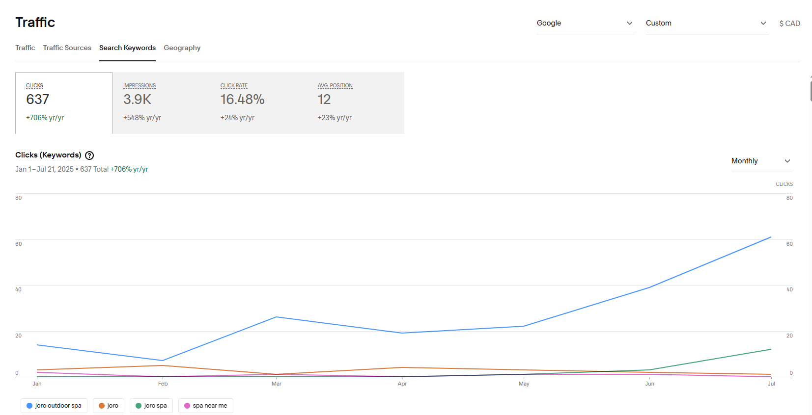





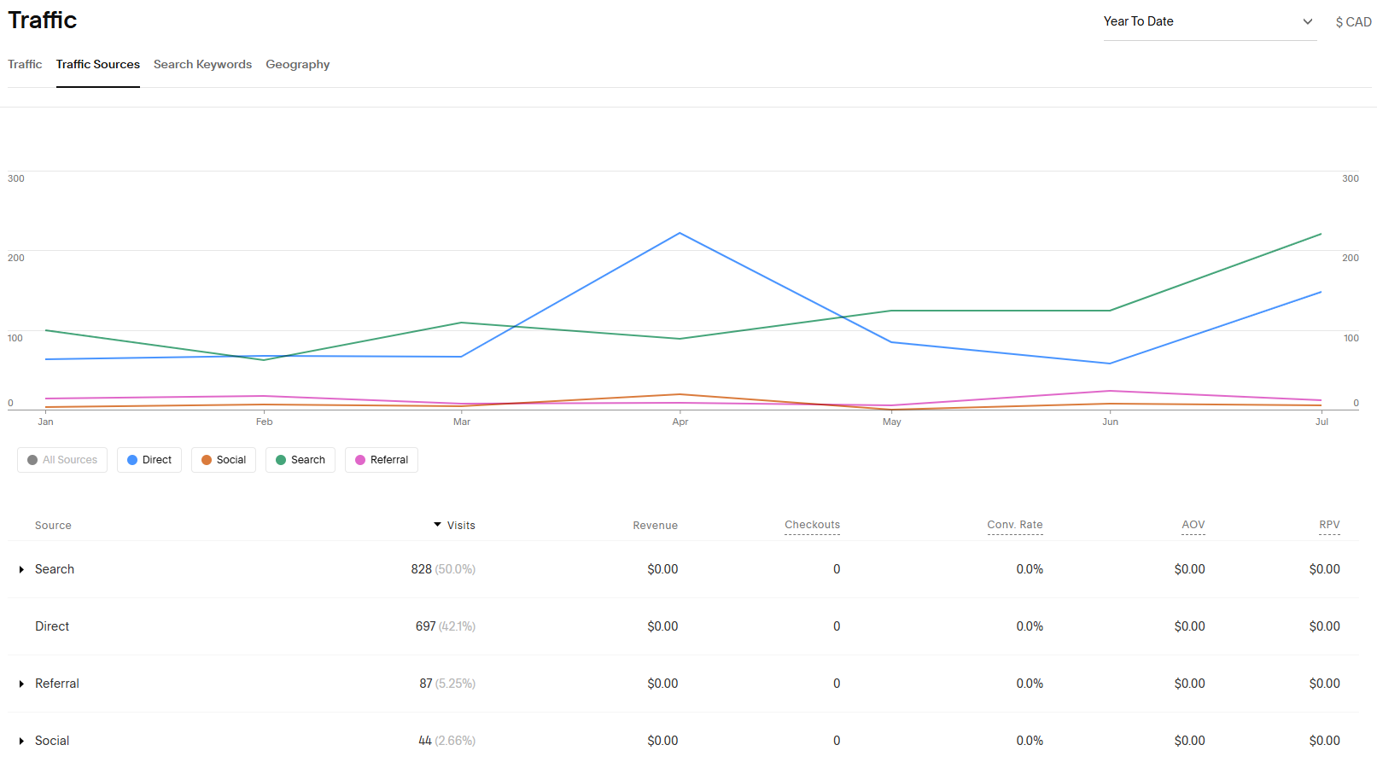

 |  | Aug 8th

 |  | https://www.keyword-tools.org/en/google-ranking-live-check/

Dashboard July 2025
Currently on Page 4 of Duck duck go "Outdoor Spa Ontario"

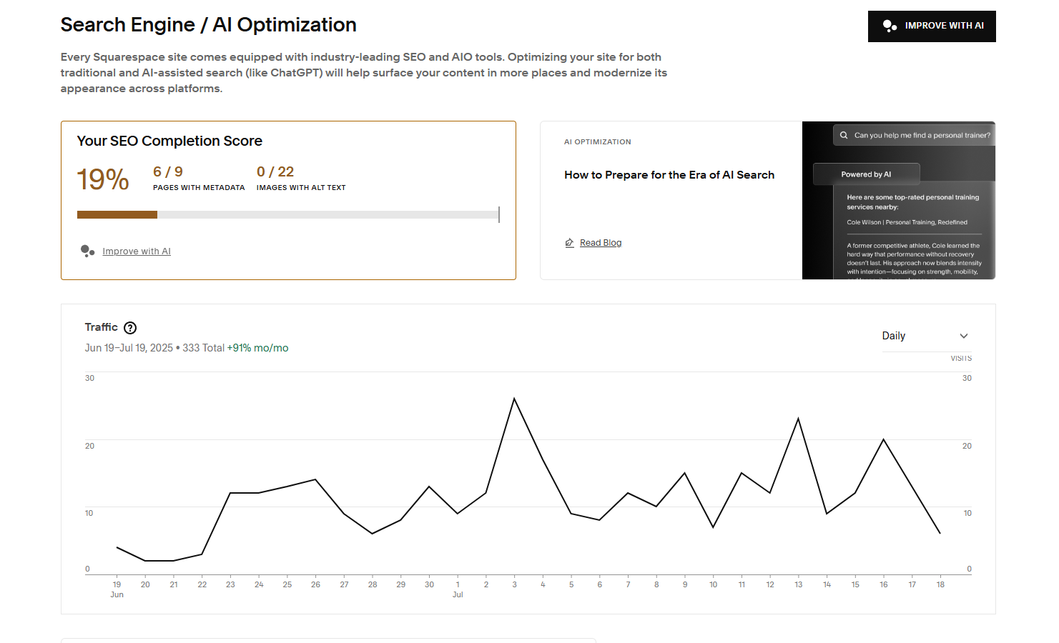

Are People Reading the Story? | July 21st

Are People Reading the Experience / FAQ's?

YTD - July 21st

Aug 8th

https://www.keyword-tools.org/en/google-ranking-live-check/

